Comparator Circuit
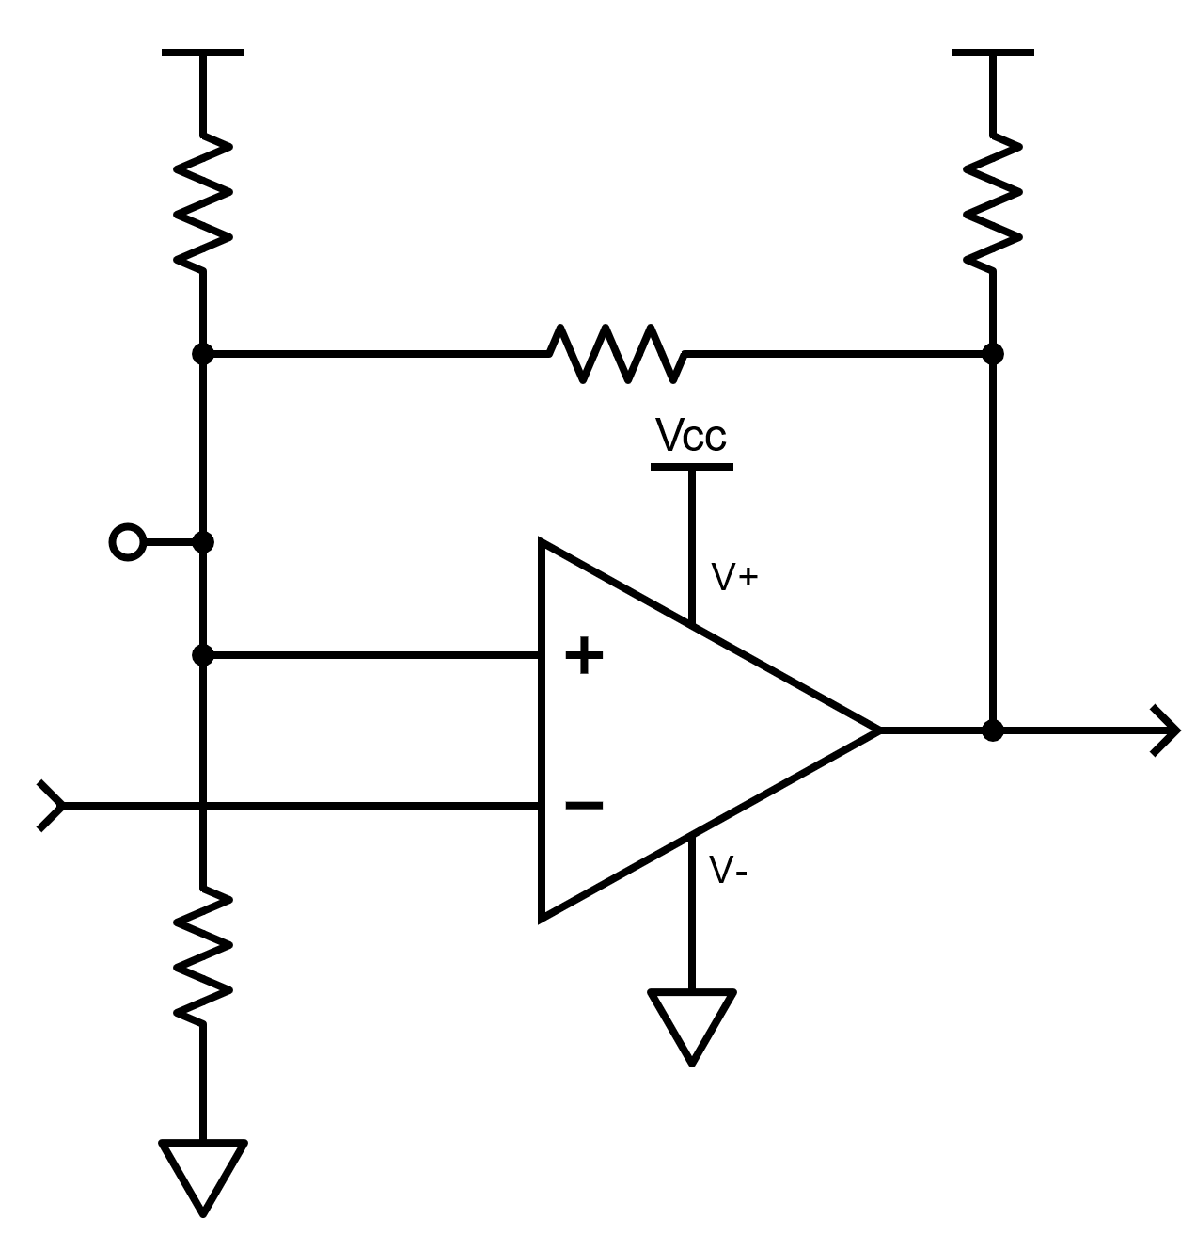
7.87kΩ
105kΩ
15.8kΩ
2.15kΩ
+2.5V
+3.3V
R1
RP
R2
RH
VR
VP
V_{IN}
V_{OUT}
V_{H/L}
Inverting Comparator With Hysteresis |  |  |  |  |  | Component Labels | Text | Component Series Lookup | Argument
VIDEO: Comprehensive Comparator Hysteresis Design |  |  |  |  |  | R1 | 7.87kΩ | E3 (40%) | 1
Comparator Parameters |  |  |  |  |  | R2 | 2.15kΩ | E6 (20%) | 2
Pull-up Supply Voltage | (Vp) | 3.3 | V |  |  | RP | 15.8kΩ | E12 (10%) | 3
Divider Reference Voltage | (Vr) | 2.5 | V |  |  | RH | 105kΩ | E24 (5%) | 4
High Level Threshold Voltage | (Vh) | 0.5736 | V |  |  | VR | +2.5V | E48 (2%) | 5
Low Level Threshold Voltage | (Vl) | 0.5268 | V |  |  | VP | +3.3V | E96 (1%) | 6
 | Resistor Series | E96 (1%) |  |  |  |  |  | E192 (<= 0.5%) | 7
Pull-up Resistor Selection
Scale of Output Sink (Max) | (SFSINK) | 1.0% |  |  |  |  |  | R Series | 6
$$I_{OL}=SF_{SINK}I_{OL\left(MAX\right)}$$
Scaled Output Sink Current | (IOL) | 0.00021 | A
Low Level Output Voltage | (VOL) | 0.0186272869 | V | From VOL Curve
$$R_{P}=\frac{V_{P}−V_{OL}}{I_{OL}}$$
Pull-up Resistor | (RP) | 15800 | Ω
$$V_{H}=V_{P}−\left(I_{IH}+I_{OH−LKG}\right)R_{P}$$
High Level Threshold Voltage | (VIH) | 3.29842

Hysteresis Resistor Selection
Input Bias Scale Factor | (SFIB) | 100 | x
Minimum Hysteresis Voltage | VH(MIN) | 0.5268 | V | Minimum VH(MIN) is VL
$$R_{H}=\frac{V_{RH\left(MIN\right)}}{I_{IB}∙SF}$$
Hysteresis Resistor | (RH) | 105000 | Ω |  | Alt D+L

$$a=\frac{R_{H}}{R_{P}+R_{H}}$$
$$R_{2}=\frac{\frac{{R_{H}V}_{R}V_{H}}{V_{L}}−R_{H}V_{R}}{V_{R}−V_{H}−\frac{V_{OL}V_{R}}{V_{L}}+\frac{V_{OL}V_{H}}{V_{L}}−a\frac{V_{R}V_{H}}{V_{L}}+a\frac{V_{R}V_{P}}{V_{L}}+aV_{H}−aV_{P}}$$
Reference Divider
Coefficient | a | 0.86920529801
Reference Divider Resistor | R2 | 2150 | Ω
$$R_{1}=\frac{R_{2}R_{H}\left(\frac{V_{R}}{V_{L}}−1\right)}{R_{H}+R_{2}\left(1−\frac{V_{OL}}{V_{L}}\right)}$$
Reference Divider Resistor | R1 | 7870 | Ω

$$V_{H}=\frac{\frac{R_{1}V_{P}}{R_{P}+R_{H}}+V_{R}}{1+\frac{R_{1}}{R_{2}}+\frac{R_{1}}{R_{P}+R_{H}}}$$
Resultant Thresolds
 | VH(RES) | 0.57452674959 | V
 | Error due to resistor tolerance | 0.162%
$$V_{L}=\frac{{R_{2}R_{H}V}_{R}}{R_{1}\left(R_{H}+R_{2}\left(1−\frac{V_{OL}}{V_{L}}\right)\right)+R_{2}R_{H}}$$
 | VL(RES) | 0.52823219001 | V
 | Error due to resistor tolerance | 0.272%

Device Specs
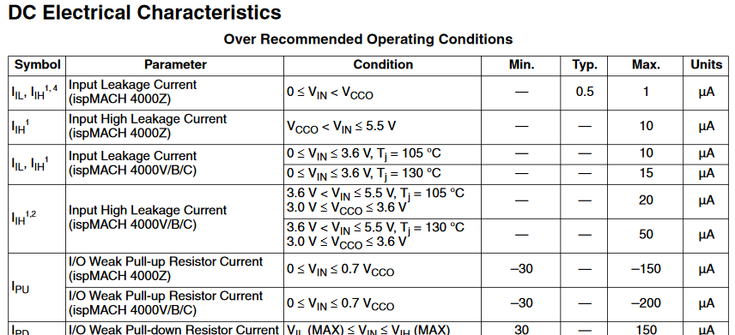
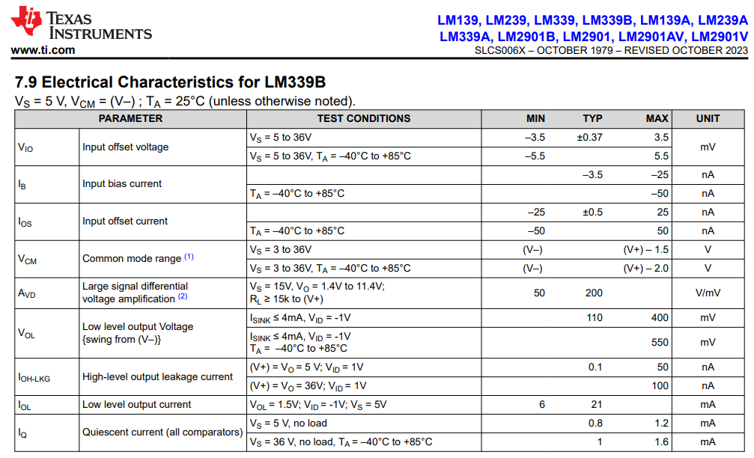
Device Specifications
Comparator
Part Number | LM339B
Input Bias Current | (IIB) | 5e-08 | A
Output Sink Current (Typ) | (IOL(MAX)) | 0.021 | A
High-Level Output Leakage Current | (IOH-LKG) | 1e-07

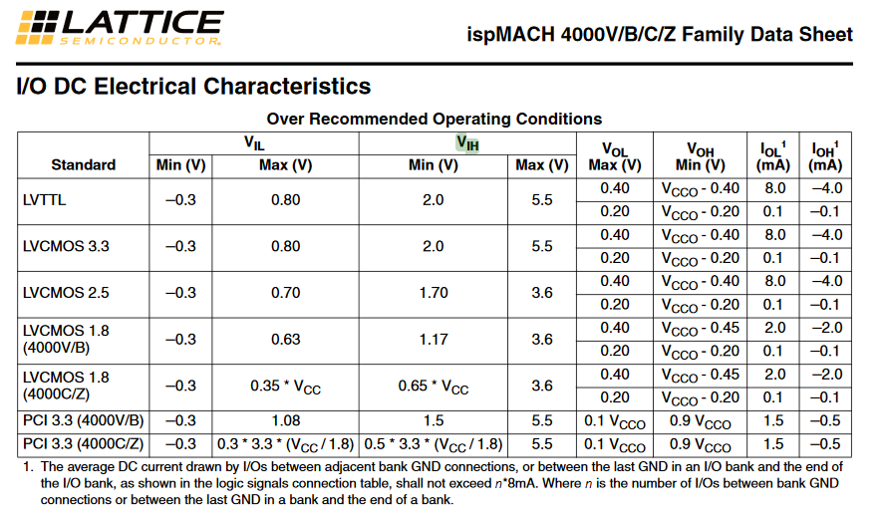
Logic Input Device
Part Number | Lattice ispMACH 4000V/B/C
Input Leakage Current High | (IIH) | 1e-06 | A
Input Leakage Current Low | (IIL) | 1e-06 | A
Logic 1 Minimum Input Voltage | (VIH-MIN) | 2 | V

VOL vs ISINK
LM339B Output Low Voltage vs. Output Sinking Current @ 5V
LM339B VOL vs. ISINK Polynomial |  |  |  |  | IOL | VOL
 |  |  |  |  | 1.00E-04 | 1.59E-02
Coefficients |  |  |  |  | 0.001 | 3.84E-02
a | b | c | d | e | 0.0015 | 5.10E-02
15951428.924 | -258984.48288 | 668.90960101 | 24.553577913 | 0.013443904021 | 0.002 | 6.34E-02
 |  |  |  |  | 0.0025 | 7.56E-02
IOL | 0.00021 |  |  |  | 0.003 | 8.74E-02
VOL | 0.018627286864 |  |  |  | 0.0035 | 9.89E-02
 |  |  |  |  | 0.004 | 1.10E-01
$$V_{OL}=aIOL^{4}+bIOL^{3}+cIOL^{2}+dIOL+e$$
 |  |  |  |  | 0.0045 | 1.20E-01
 |  |  |  |  | 0.005 | 1.31E-01
 |  |  |  |  | 0.0055 | 1.40E-01
 |  |  |  |  | 0.006 | 1.50E-01
 |  |  |  |  | 0.0065 | 1.59E-01
 |  |  |  |  | 0.007 | 1.68E-01
 |  |  |  |  | 0.0075 | 1.76E-01
 |  |  |  |  | 0.008 | 1.85E-01
 |  |  |  |  | 0.0085 | 1.95E-01
 |  |  |  |  | 0.009 | 2.04E-01
 |  |  |  |  | 0.0095 | 2.15E-01
 |  |  |  |  | 0.01 | 2.26E-01
 |  |  |  |  | 0.0105 | 2.39E-01
 |  |  |  |  | 0.011 | 2.53E-01
 |  |  |  |  | 0.0115 | 2.69E-01
 |  |  |  |  | 0.012 | 2.88E-01
 |  |  |  |  | 0.0125 | 3.08E-01
 |  |  |  |  | 0.013 | 3.32E-01
 |  |  |  |  | 0.0135 | 3.59E-01
 |  |  |  |  | 0.014 | 3.90E-01
 |  |  |  |  | 0.0145 | 4.26E-01
 |  |  |  |  | 0.015 | 4.66E-01
 |  |  |  |  | 0.0155 | 5.11E-01
 |  |  |  |  | 0.016 | 5.62E-01
 |  |  |  |  | 0.0165 | 6.20E-01
 |  |  |  |  | 0.017 | 6.84E-01
 |  |  |  |  | 0.0175 | 7.56E-01
 |  |  |  |  | 0.018 | 8.36E-01
 |  |  |  |  | 0.0185 | 9.25E-01
 |  |  |  |  | 0.019 | 1.02E+00
 |  |  |  |  | 0.0195 | 1.13E+00
 |  |  |  |  | 0.02 | 1.25E+00
 |  |  |  |  | 0.0205 | 1.38E+00
 |  |  |  |  | 0.021 | 1.53E+00
 |  |  |  |  | 0.0215 | 1.69E+00
 |  |  |  |  | 0.022 | 1.86E+00

